1. Introduction
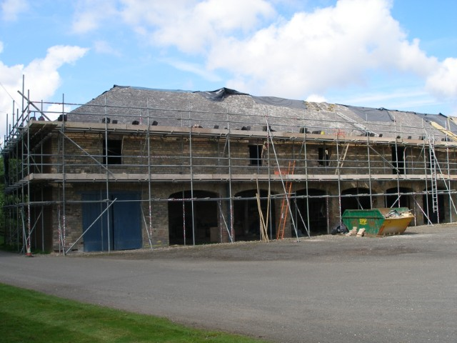

created by Sam Arthur @ FPCR | Small Sites Metric (Biodiversity Metric 4.0)

 | Release Date: |  | March 2023
 | ISBN: 978-1-7393388-0-0

 | Cell style conventions

 |  | Enter data

 |  | Automated equation

 |  | Result

© Natural England/Margaret Nieke 2012
 |  | Title cell
 |  | Title cell alt colour
 | ▲ | Error
 | ⚠ | Attention required |  | Technical Requirements - Excel Versions: 2010, 2013, 2016, 2019, Office 365, Excel for Android
 |  | Use of this cell is not required

8. Headline Results
Site Name |  | Hatfield Road
Sheet Name |  | Headline Results
Headline Results
Headline |  | BNG Targets Met 🗸

Trading Rules |  | Trading Rules Satisfied 🗸

Next steps |  | Submit metric to LPA

Baseline Units | Habitat units | 0.0128
 | Hedgerow units | Zero Units Baseline
 | River units | Zero Units Baseline

Post-development Units | Habitat units | 0.0132
 | Hedgerow units | 0.0000
 | River units | 0.0000

Total net unit change | Habitat units | 0.0004 | 🗸
 | Hedgerow units | 0.0000 | 🗸
 | River units | 0.0000 | 🗸

Total net % change | Habitat units | 3.32% | ▲
 | Hedgerow units | % target not appropriate
 | River units | % target not appropriate

Habitats units required to meet target |  | -0.0004
Hedgerow units required to meet target |  | 0.0000
River units required to meet target |  | 0.0000

Chart 1 - Unit change by habitat group

 | Baseline | Provision
Habitat units | 0.01 | 0.01
Hedgerow units | 0.00 | 0.00
River units | 0.00 | 0.00

